Contents
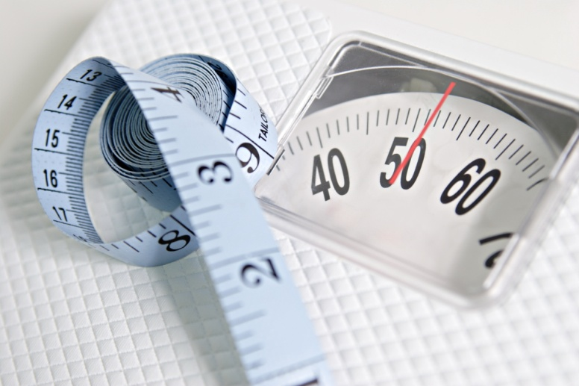
Welsh Health Survey obesity resource: prevalence by deprivation

Table and chart
Choose parameters | Age-standardised percentage of adults reporting to be overweight or obese, by deprivation fifth, all persons, Wales

 |  | Percentage of respondents |  |  |  | Unweighted base** (count)
 |  | Age-standardised (95% CI) |  | Observed | Missing or invalid*
 | 2004/05 - 2008
 | Most deprived | 59 | (58-61) | 58 | 9 | 9,914
 | Next most deprived | 59 | (58-60) | 59 | 8 | 11,640
 | Middle | 57 | (56-58) | 57 | 6 | 12,851
 | Next least deprived | 54 | (53-55) | 54 | 6 | 12,009
 | Least deprived | 52 | (51-53) | 52 | 5 | 11,156
 | 2009 - 2012
 | Most deprived | 61 | (60-63) | 60 | 11 | 11,231
 | Next most deprived | 61 | (60-62) | 60 | 9 | 12,510
 | Middle | 58 | (57-59) | 58 | 8 | 13,975
 | Next least deprived | 56 | (55-57) | 56 | 8 | 13,463
 | Least deprived | 53 | (52-54) | 53 | 6 | 12,582

NOTE: Small fluctuations in obesity prevalence over time should be interpreted with caution. The confidence intervals indicate the precision of the prevalence estimates. As a rough guide to interpretation, when comparing two periods, if the confidence intervals around the estimates for health board fifths overlap, it can be assumed that the estimates are not statistically significantly different. This approach is not as rigorous as doing a formal statistical test, but is straightforward, widely used and reasonably robust.
 | Produced by Public Health Wales Observatory, using Welsh Health Survey and Welsh Index of Multiple Deprivation 2011 (WG)
 | CI = confidence interval
 | *Percentages of missing values are based on weighted responses and include both invalid/blank measurements and pregnant women. This figure is the same for both the overweight/obese and obese categories.
 | **Unweighted bases vary; those shown are for the whole sample.

