Contents
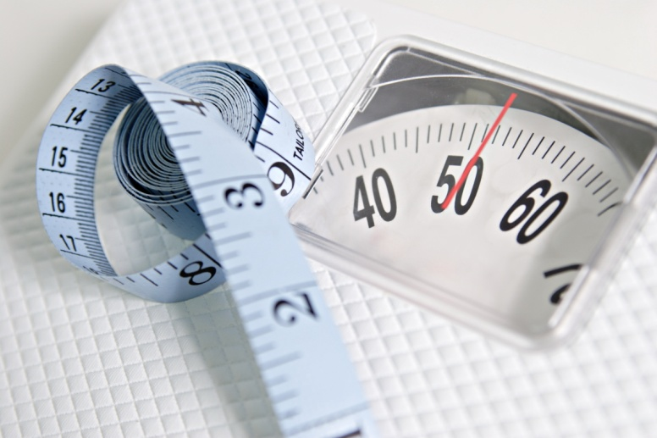
Welsh Health Survey obesity resource: prevalence by age

Table and chart
 |  |  |  |  |  | Table and chart
 |  |  |  |  | Table and chart

 | 2004/05-2008 | 2009-2012
65+ | 55 | 57
45-64 | 63 | 65
16-44 | 46 | 47
65+ | 58 | 60
45-64 | 66 | 67
16-44 | 48 | 49
Choose parameters | Percentage of adults reporting to be overweight or obese, by broad age group, all persons, Betsi Cadwaladr UHB and Wales

 |  |  | Percentage (95% CI) |  | Percentage missing or invalid* | Unweighted base** (count)
 | Betsi Cadwaladr UHB
 | 2004/05 - 2008
 | Betsi Cadwaladr UHB | 65+ | 55 | (53-57) | 7 | 3,823
 |  | 45-64 | 63 | (61-64) | 5 | 5,139
 |  | 16-44 | 46 | (44-47) | 8 | 5,690
 | 2009 - 2012
 |  | 65+ | 57 | (56-59) | 8 | 4,590
 |  | 45-64 | 65 | (64-67) | 6 | 5,909
 |  | 16-44 | 47 | (46-48) | 12 | 6,085
 | Wales
 | 2004/05 - 2008
 | Wales | 65+ | 58 | (57-59) | 7 | 14,398
 |  | 45-64 | 66 | (65-67) | 5 | 19,751
 |  | 16-44 | 48 | (47-49) | 9 | 23,421
 | 2009 - 2012
 |  | 65+ | 60 | (59-60) | 8 | 16,475
 |  | 45-64 | 67 | (67-68) | 6 | 22,407
NOTE: Small fluctuations in obesity prevalence over time should be interpreted with caution. The confidence intervals indicate the precision of the prevalence estimates. As a rough guide to interpretation, when comparing two periods, if the confidence intervals around the local authority or health board estimates overlap, it can be assumed that the estimates are not statistically significantly different. This approach is not as rigorous as doing a formal statistical test, but is straightforward, widely used and reasonably robust. Furthermore, if the confidence intervals around the local authority or health board estimates overlap with the Wales confidence intervals, it can be assumed that the estimates are not statistically significantly different.
 |  | 16-44 | 49 | (48-50) | 11 | 24,879

 | Produced by Public Health Wales Observatory, using Welsh Health Survey (WG)
 | CI = confidence interval
 | *Percentages of missing values are based on weighted responses and include both invalid/blank measurements and pregnant women. This figure is the same for both the overweight/obese and obese categories.
 | **Unweighted bases vary; those shown are for the whole sample. Included for all persons only.

