Instructions
 This travel audit template was originally created by Paul Cottrell, Powys Teaching Health Board. It has since been developed by the Primary Care Division, Public Health Wales, for use as part of the Greener Primary Care Wales Framework and Award Scheme. This tool has been developed to support the action relating to conducting a staff travel audit. Instructions - Decide as a team, what would be a reasonable distance to ask people to walk or cycle (one-way) to the practice (to the nearest 0.25 miles). Put these values into column I of the Audit tab. - Get staff to complete columns A-F on the Audit tab. Tip: complete it as part of a regular review. - Once at least one row on the Audit tab is complete, you will see the Dashboard begin to populate. - On the Dashboard you will be able to see how many miles per week staff travel to work, via various methods. - Based on the information on the Audit tab the Dashboard will also show you what change is possible to the way people travel to work with some helpful information and tips. Top tip: review this travel audit as well as previous editions regularly to see how much of a difference you have made.

Dashboard



How does your practice travel?




Current Miles Per Week


What's possible with some little changes?
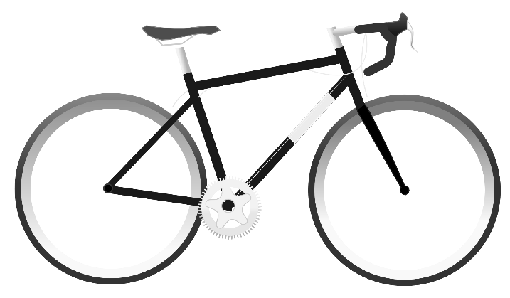

Miles Per Week

What's possible with some little changes?
 |  |  | Schemes that might help? (Click for more information)

Could you use public transport? |  | In total your team drive 0 journeys per week where there is a useful public transport option, that's 0 miles a week! WELL DONE!

Could you cycle? | In total every week your team drive or use public transport for 0 journeys of less than miles. That's 0 miles a week. WELL DONE!

Could you walk? | In total every week your team drive or use public transport for 0 journeys of less than miles. That's 0 miles a week. WELL DONE!
What about an electric car? |  | In total your team drive 0 miles a week in traditionally fuelled vehicles. WELL DONE!

Home working? | Your team spends 0% of their time in practice. Could anyone do admin work from home?

