Readme
TOPIC: | Mortality
SUBJECT: | Years of life lost (YLL)
SOURCE: | Public Health Mortality (PHM), Office for National Statistics
 | Mid-year population estimates, Office for National Statistics
 | Welsh Index of Multiple Deprivation (WIMD) 2019, Welsh Government (WG)
GEOGRAPHY: | Wales
PERIOD: | 2016-2018
DEMOGRAPHY: | Persons aged under 75
STATISTICS: | Count, annual average and crude rate per 100,000
CONTACT: | Publichealthwalesobservatory@wales.nhs.uk
$$Total years of life lost= \sum{(}A−ai)di$$
NOTES: | Years of life lost have been calculated using the methodology provided by ONS. Total years of life lost is calculated using the following formula:

 | where A = age cut-off (75 in this analysis) ai = age at death + 0.5 di = number of deaths in the age group
 | Further details of the methodology can be found here:
 | https://www.ons.gov.uk/peoplepopulationandcommunity/birthsdeathsandmarriages/deaths/methodologies/userguidetomortalitystatisticsjuly2017#death-rates-ratios-and-standardisation

© 2022 Public Health Wales NHS Trust

Material contained in this document may be reproduced under the terms of the Open Government Licence (OGL)
www.nationalarchives.gov.uk/doc/open-government-licence/version/3/
provided it is done so accurately and is not used in a misleading context.
Acknowledgement to Public Health Wales NHS Trust to be stated.
Copyright in the typographical arrangement, design and layout belongs to Public Health Wales NHS Trust.

How to copy charts & tables
Copying and pasting charts and tables to use in documents and presentations

Why use this method to copy and paste charts
If the standard {Copy} and {Paste} option is used for inserting Excel charts into documents, reports
or presentations then frequently the chart will lose some of its formatting and/or the axes labels may be
truncated. Similarly, table column sizes are often distorted using the standard {Copy} and {Paste}
method if a table is too wide. The technique described below overcomes these issues.

Copying and pasting a chart
1 | Select the chart you want to copy by left clicking on it once i.e. so that the surrounding points are displayed. For tables, left click the top left hand corner and drag the mouse to the bottom right corner.
2 | On the 'Home' tab click the 'Copy' icon
3 | Click 'Copy as picture' option (see figure 1 for chart selection)
4 | Choose 'As shown on screen' and 'picture' (see figure 2, also showing table area selection)
5 | Using your mouse click on the point where you want to insert a copy of the chart e.g. in a Word
 | document / presentation
6 | On the 'Home' tab click 'paste' then 'paste special' (figure 3) and choose to insert as 'Picture (enhanced metafile)' (figure 4)
 | (see figure 3)

Figure 1 |  | Figure 2 | Figure 3 | Figure 4
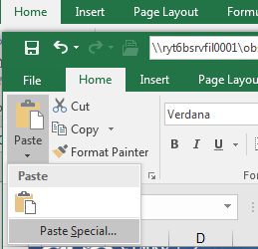
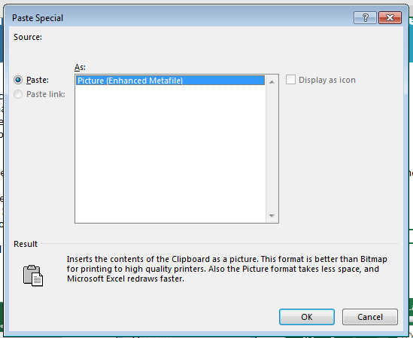

Population structure
 | 0-19 | 20-39 | 40-59 | 60-74
Least deprived | 132500 | 133900 | 170700 | 119200
Next least deprived | 131800 | 142700 | 172000 | 123600
Middle | 136400 | 165500 | 162800 | 115400
Next most deprived | 141800 | 161300 | 159300 | 101000
Most deprived | 162200 | 173200 | 149100 | 84200

Population, annual average count* and percentage, by WIMD 2019 quintile, all persons aged under 75, Wales, 2016-2018

 | 0-19 |  | 20-39 |  | 40-59 |  | 60-74
WIMD fifth | Annual average | % | Annual average | % | Annual average | % | Annual average | %
Least deprived | 132,500 | 24 | 133,900 | 24 | 170,700 | 31 | 119,200 | 21
Next least deprived | 131,800 | 23 | 142,700 | 25 | 172,000 | 30 | 123,600 | 22
Middle | 136,400 | 24 | 165,500 | 29 | 162,800 | 28 | 115,400 | 20
Next most deprived | 141,800 | 25 | 161,300 | 29 | 159,300 | 28 | 101,000 | 18
Most deprived | 162,200 | 29 | 173,200 | 30 | 149,100 | 26 | 84,200 | 15
Total | 704,700 | 25 | 776,700 | 27 | 813,800 | 29 | 543,400 | 19

Produced by Public Health Wales Observatory, using PHM & MYE (ONS) & WIMD 2019 (WG)
*Counts are rounded to the nearest 100 persons

Mortality & YLL
 | Expected YLL | Excess | Expected YLL round | Expected excess round
Least deprived | 18676 |  | 18,700 | 0
Next least deprived | 19268 | 6346 | 19,300 | 6,300
Middle | 18887 | 8692 | 18,900 | 8,700
Next most deprived | 17983 | 15170 | 18,000 | 15,200
Most deprived | 17090 | 24496 | 17,100 | 24,500

Premature years of life lost (YLL), count and crude rate per 100,000*, WIMD 2019, all persons aged under 75, Wales, 2016-2018

WIMD fifth | Total YLL | Annual average | Crude rate per 100,000 | Expected YLL annually1 | Excess annually 2 | Excess % of all YLL in fifth
Least deprived | 56,000 | 18,700 | 3,356 | 18,700 | - | -
Next least deprived | 76,800 | 25,600 | 4,493 | 19,300 | 6,300 | 24.8
Middle | 82,700 | 27,600 | 4,754 | 18,900 | 8,700 | 31.5
Next most deprived | 99,500 | 33,200 | 5,885 | 18,000 | 15,200 | 45.8
Most deprived | 124,800 | 41,600 | 7,314 | 17,100 | 24,500 | 58.9
Total | 439,800 | 146,600 | 5,165 | 91,900 | 54,700 | 37.3

Produced by Public Health Wales Observatory, using PHM & MYE (ONS) & WIMD 2019 (WG)
*Counts of YLL are rounded to the nearest 100 years of life lost
1 Excess is the number of YLL over the expected YLL if mortality rates in the least deprived fifth were the same in all other deprivation fifths. Calculated using age-specific death and population profiles.
2 Total YLL minus expected YLL within each quintile

 | Expected deaths | Excess
Least deprived | 1589 | 0
Next least deprived | 1637 | 425
Middle | 1543 | 670
Next most deprived | 1388 | 1095
Most deprived | 1200 | 1590

Premature mortality, count and rate per 100,000, WIMD 2019, all persons aged under 75, Wales, 2016-2018

WIMD fifth | Total deaths | Annual average | crude rate per 100,000 | Expected deaths annually1 | Excess annually2 | Excess % of all deaths in fifth
Least deprived | 4,768 | 1,589 | 286 | 1,589 | - | -
Next least deprived | 6,185 | 2,062 | 362 | 1,637 | 425 | 20.6
Middle | 6,638 | 2,213 | 381 | 1,543 | 670 | 30.3
Next most deprived | 7,449 | 2,483 | 441 | 1,388 | 1,095 | 44.1
Most deprived | 8,369 | 2,790 | 491 | 1,200 | 1,590 | 57.0
Total | 33,409 | 11,136 | 392 | 7,357 | 3,779 | 33.9

Produced by Public Health Wales Observatory, using PHM & MYE (ONS) & WIMD 2019 (WG)
1 Excess is the number of deaths over the expected deaths if mortality rates in the least deprived fifth were the same in all other deprivation fifths. Calculated using age-specific death and population profiles.
2 Total deaths minus expected deaths within each quintile

